STEPS-Exercise-RFM
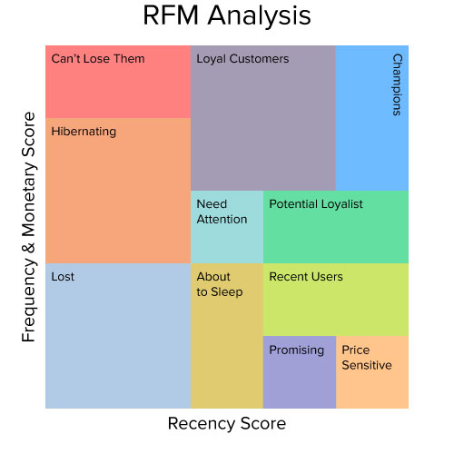
Recency Frequency Money - Steps

1 | Create Purchase Count No / Purchase Occasion No for Frequency
 | 1.1 | Make copy of Pilot Data Sheet
 | 1.2 | Format as Table
 | 1.3 | Sort Multi-Level: first on User ID then on Order Date
 | 1.4 | Add column for Purchase Count No
 | 1.5 | =COUNTIF($C$2:C2,C2) Copy Down for Range - Ensures Count is till Current Row
2 | Pivot on Customers IDs
 | 2.1 | Last Order Date | (Maximum Date - for Recency)
 | 2.2 | Total Spending
 | 2.3 | Average Spending
 | 2.4 | Number of Orders | (Count for Frequency)
 | 2.5 | Paste as VALUES of Pivot Table to new Sheet - RFM will be added there.
3 | Recency
 | 3.1 | Days since Last Order Date
 | 3.2 | Calculate Score (using PercentRank.Exc)
4 | Frequency
 | 4.1 | Option 1 - Just number of Orders
 | 4.2 | Option 2 - Calculate Days between last and first and divide Orders by it
 | 4.3 | Derive Score again PercentRank.Exc
5 | Money
 | 5.1 | Total Spending | Cohort Important for this!
 | 5.2 | OR Average Spending
6 | Aggregate (simple here)
7 | Filter to Target certain Customers - e.g. GROW policy 2nd Tier Define
8 | Work out Profit Margins as (for Money)
9 | Analysis of Profit versus Score

